Sheet1
 | TFT IZERE - RWANDA
 | IZERE CENTER
 | P.O Box 05 Byumba- Rwanda
 | E mail: nzagustin@yahoo.fr
 | Web: izerebyumba.com

TFT TREATMENT IN THE CENTERS OF DIOCESE : APRIL/ 2022

DATE | NO | I. # | CODE | SEX | CASE | SYMPTOMS | ALGORITHMS | SUD | COMMENT
2022-01-04 | Redaction of field report
 | 1 |  | U.J | M | N.C | panic disorder, addiction | eb-e-a-c-9g-sq-er | 9/10-2/10 | healed and follow up
2022-04-04 | Redaction of monthly report
2022-05-04 | TFT Staff meeting
 | 1 |  | N.E | F | N.C | loss, panic, anxiety | eb-e-a-cb-9g-sq-er | 9/10-0/10 | healed and testimony
 | 2 |  | K.X | F | N.C | trauma with anger, disappointment | eb-e-a-cb-lf-cb-9g-sq-er | 9/10-1/10 | healed
 | 3 |  | M.C | F | A.C | headaches, anxiety, anger, trauma | eb-e-a-cb-lf-cb-9g-sq-er | 9/10-1/10 | healed
 | 4 |  | M.J | F | A.C | anxiety, rage, embarrassment | e-a-cb-oe-cb-g50-cb-9g-sq-er | 9/10-1/10 | healed
2022-06-04 | Preparation of commemoration week of genocide against the Tutsi in Rwanda 1994 (Mutete site)
 | 1 |  | M.C | F | N.C | anxiety, headaches, disappointment, anger | e-a-c-if-c-g50-c-9g-sq-er | 10/10-2/10 | healed and follow up
 | 2 |  | N.B | F | N.C | headache, anxiety, anger | e-a-c-lf-c-g50-c-9g-sq-er | 9/10-1/10 | healed
 | 3 |  | H.A | M | N.C | anxiety, anger, disappointment to poverty | e-a-c-lf-c-9g-sq-er | 10/10-2/10 | healed and follow up
 | 4 |  | M.F | F | N.C | trauma with anger, family disorder | eb-e-a-c-lf-c-9g-sq-er | 10/10-3/10 | other appointment
 | 5 |  | H.E | M | A.C | PTSD, crying, headaches | eb-e-a-c-g50-c-9g-sq-er | 10/10-3/10 | other appointment
 | 6 |  | N.MC | F | A.C | anxiety, anger, stress | e-a-c-lf-c-9g-sq-er | 9/10-1/10 | healed
2022-07-04 | Genocide memorial day/ Mutete
 | 1 |  | M.C | F | A.C | complex trauma with guilt, anger | eb-e-a-c-lf-c-if-c-9g-sq-er | 10/10-1/10 | healed
 | 2 |  | K.Z | F | A.C | sadness, anxiety | e-a-c-9g-sq-er | 10/10-1/10 | healed
 | 3 |  | N.N | F | A.C | exaggerated fear, trauma, anxiety, isolation | eb-e-a-c-9g-sq-er | 10/10-1/10 | healed
 | 4 |  | M.P | F | A.C | disappointment, anger, grief | eb-e-a-c-lf-c-9g-sq-er | 10/10-1/10 | healed
 | 5 |  | I.MC | F | A.C | stress, loss, anger | eb-e-a-c-lf-c-9g-sq-er | 9/10-1/10 | healed
 | 6 |  | K.C | F | A.C | fear, grief | eb-e-a-c-9g-sq-er | 9/10-1/10 | healed
2022-08-04
 | 1 |  | U.C | F | N.C | anxiety, panic, anger | eb-e-a-c-lf-c-9g-sq-er | 9/10-1/10 | healed
 | 2 |  | B.B | F | N.C | anxiety, anger, nightmare | e-a-c-lf-c-g50-c-9g-sq-er | 9/10-1/10 | healed and testimony
2022-11-04 | Mutete memorial site
 | 1 |  | K.JB | M | N.C | anxiety, embarrassment, fear | e-a-c-un-c-9g-sq-er | 9/10-1/10 | healed
 | 2 |  | M.A | F | N.C | fear, nightmare, anxiety, disappointment | e-a-c-9g-sq-er | 10/10-2/10 | healed and follow up
 | 3 |  | N.V | F | N.C | anxiety, panic, anger | eb-e-a-c-lf-c-9g-sq-er | 9/10-0/10 | healed and testimony
 | 4 |  | M.B | M | N.C | panic, anxiety, rage | eb-e-a-c-oe-c-9g-sq-er | 10/10-1/10 | healed
2022-12-04 | TFT Staff meeting
 | 1 |  | B.M | F | N.C | anxiety, anger, panic, headaches | eb-e-a-c-lf-c-9g-sq-er | 9/10-1/10 | healed
 | 2 |  | N.O | F | N.C | anxiety, headaches, panic | eb-e-a-c-g50-c-9g-sq-er | 9/10-1/10 | healed
 | 3 |  | R.D | M | N.C | simple trauma, loss, stress | eb-e-a-c-9g-sq-er | 9/10-0/10 | healed and testimony
13/04/2022 | Ending the weekly periode of commemoration at Gatsirima
 | 1 |  | M.F | F | N.C | disappointment to poverty, anxiety | e-a-c-9g-sq-er | 9/10-1/10 | healed
14/04/2022 | 1 |  | M.V | F | A.C | social phobia, anxiety disorder, embarrassment | eb-e-a-c-un-c-9g-sq-er | 10/10-2/10 | healed and follow up
 | 2 |  | M.B | F | A.C | complex trauma with culpability | eb-e-a-c-if-c-9g-sq-er | 9/10-1/10 | healed
15/04/2022 | DAY OFF/ Good Friday
18/04/2022 | Day off
19/04/2022 | TFT Staff meeting
 | 1 |  | M.O | F | N.C | simple trauma, loss, stress | eb-e-a-c-9g-sq-er | 9/10-2/10 | healed and follow up
 | 2 |  | D.O | F | N.C | anxiety, loss, headaches | eb-e-a-c-g50-c-9g-sq-er | 9/10-2/10 | healed and follow up
 | 3 |  | M.A | F | A.C | obsession | c-e-c-9g-sq-er | 10/10-3/10 | other appointment
20/04/2022 | Visit home
21/04/2022 | Visit home
22/04/2022 | Redaction field report
25/04/2022 | IZERE Center
 | Redaction of flash report and plan of activities of next week
26/04/2022 | Musanze prison/
 | 1 |  | U.V | F | N.C | fear, nightmare, anxiety, disappointment | e-a-c-9g-sq-er | 10/10-2/10 | healed and follow up
 | 2 |  | N.M | F | N.C | anxiety, panic, anger | eb-e-a-c-lf-c-9g-sq-er | 9/10-2/10 | healed and follow up
 | 3 |  | M.G | F | N.C | fear, anger | e-a-c-lf-c-9g-sq-er | 10/10-3/10 | healed and follow up
27/04/2022 | Nyagatare prison/ Coordination meeting
 | 1 |  | N.A | M | N.C | Panic, anger | eb-e-a-c-lf-c-9g-sq-er | 10/10-1/10 | healed
28/04/2022 | Redaction of field report
 | 1 |  | D.C | F | N.C | nightmares, anxiety, anger | eb-e-a-c-lf-c-9g-sq-er | 10/10-2/10 | healed and follow up
 | 2 |  | K.X | F | N.C | trauma, disappointment, anger | eb-e-a-c-lf-c-9g-sq-er | 9/10-1/10 | healed
29/04/2022 | Redaction of monthly report
TOTAL |  | 38 | F: 32 |  | NC:25
 |  |  | M: 6 |  | AC: 13

 | III. TFT in Group

Date | Theme |  |  |  |  | TFT in group |  |  |  |  | TOTAL
 |  |  |  |  |  | Widows | TFT/YOUTH |  |  | Teen mother
 |  |  |  |  |  |  | F | G | TOT
2022-06-04 | Preparation the week of commemoration |  |  |  |  |  |  |  |  |  | 46
2022-07-04 | Genocide memorial |  |  |  |  |  |  |  |  |  | 61
27/04/2022 | Coordination meeting |  |  |  |  |  |  |  |  |  | 32
Total | 38 |  |  |  |  | 0 |  |  | 0 |  | 139
GROBAL TOTAL | 177

 | IV. OUTCOMES

 | a. Genocide commemoration

2022 marks the 28th anniversary of the genocide against the Tutsi in Rwanda.
In this day (07/04/2022) Gicumbi district start the weekly periode of the commemoration
in Mutete sector. And after 2 years of Covid, the meeting of many people was prohibited.

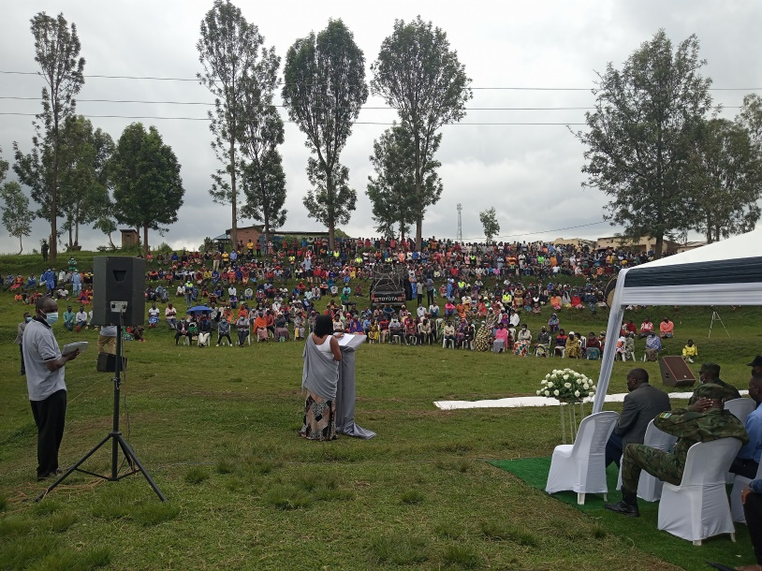

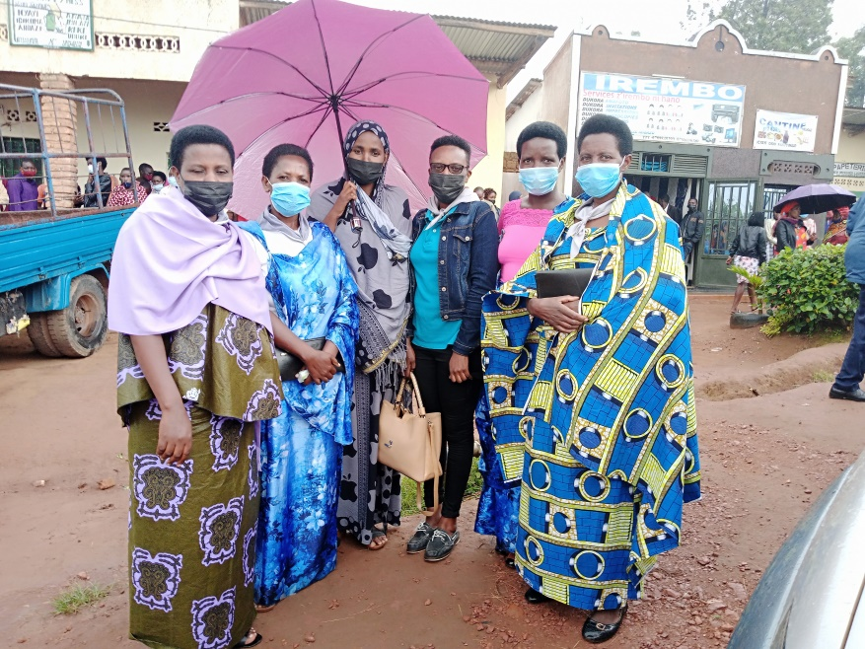

TFT Volunteers in supervision of Adrienne, Clinical psychologist and TFT Therapist
in the commemoration of the 1994 genocide against Tutsi at 28th.

 | b. COMMUNITY TREATMENT
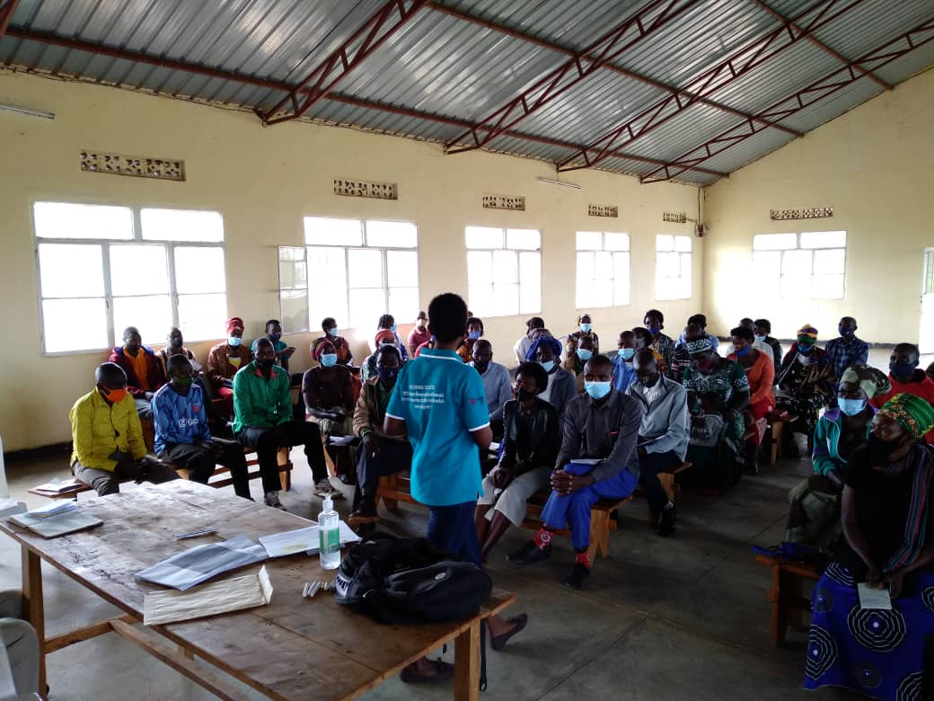

TFT IZERE did the follow up of the cases which had had the traumatic crisis while the week of
commemoration.

 | c. TFT Prison
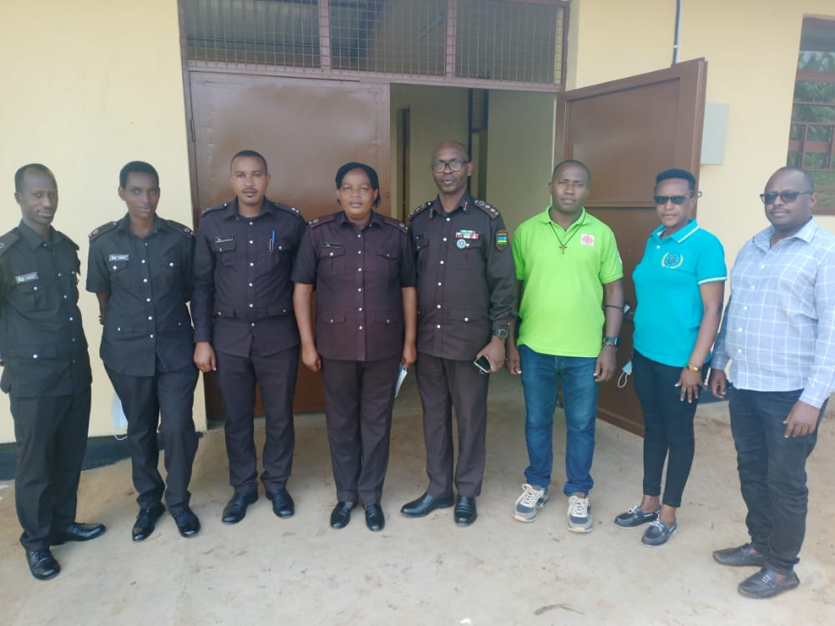

Coordination meeting with TFT Staff and RCS about psychosocial support

